Powerplant scope
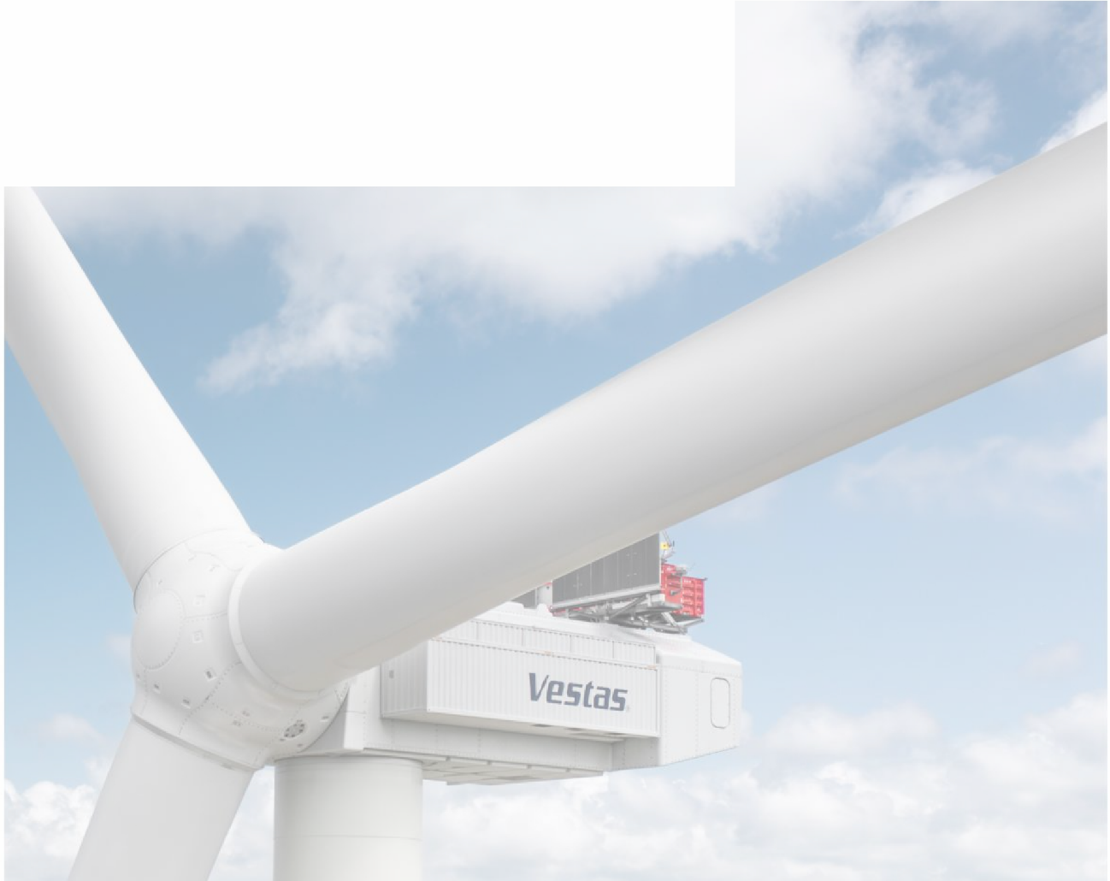
Figure 3: Scope of the power plant components - 990 MW power plant of 66 V236-15 MW turbines |  |  | Full report available at: https://www.vestas.com/en/sustainability/environment/lifecycle-assessments
Table 1 gives an overview of the baseline wind power plant assessed in this life cycle assessment, which is further described in detail throughout Section 3. Table 1: Baseline wind plant assessed
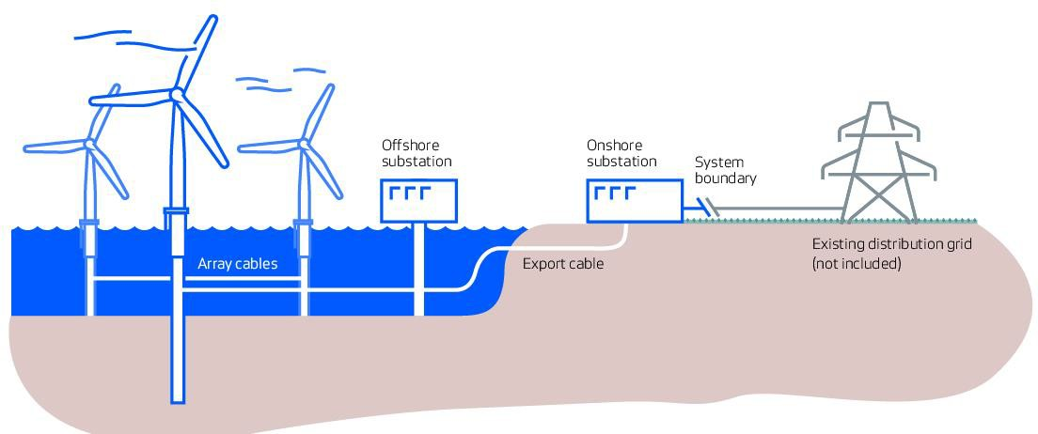
Description | Unit | Quantity
Lifetime | years | 30
Rating per turbine | MW | 15
Generator type | - | Permanent Magnet Synchronous
Turbines per power plant | pieces | 66
Plant size | MW | 990
Hub height | m | 143
Rotor diameter | m | 236
Wind class | - | High (IEC S)
Tower type | - | TST
Foundation type | - | Monopile
Water depth | m | 36
Production @ 10 m/s | MWh per year | 63420
Grid distance | km | 65
Plant location | - | North Sea
Distance to service port | Nm | 58
Service setup | - | Service Operation Vessel (SOV)

